Sheet1
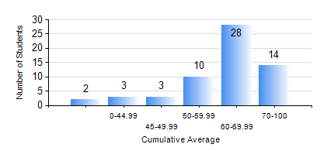
 |  |  | KWAME NKRUMAH UNIVERSITY OF SCIENCE AND TECHNOLOGY, KUMASI Department of Chemical Engineering

 |  |  | BSC. PETROCHEMICAL ENG.

 |  |  | COMPREHENSIVE RECORD OF EXAMINATION RESULTS

 |  |  | RESULTS OF YEAR 1 SECOND SEMESTER, 2022/2023 ACADEMIC YEAR

 | Sn | Course Code |  | Course Name | Credit Hours | Min. Mark | Max. Mark | Avg. Mark | Std. Dev. | No. Passed | No. Trailed | No. (Df) | No. (I) | No. (I*) | No. Tagged(I,I*,Df) | Total
 | 1. | CHE 156 |  | PHYSICAL CHEMISTRY FOR ENGINEERS | 2 | 5 | 86 | 52 | 16.4 | 53 | 7 | 0 | 0 | 0 | 0 | 60
 | 2. | EE 152 |  | BASIC ELECTRONICS | 2 | 10 | 79 | 54 | 12.74 | 57 | 3 | 0 | 0 | 0 | 0 | 60
 | 3. | ENGL 158 |  | COMMUNICATION SKILLS II | 2 | 19 | 86 | 65 | 11.61 | 59 | 1 | 0 | 0 | 0 | 0 | 60
 | 4. | MATH 152 |  | CALCULUS WITH ANALYSIS | 4 | 0 | 85 | 53 | 17.14 | 51 | 9 | 0 | 0 | 0 | 0 | 60
 | 5. | ME 162 |  | BASIC MECHANICS | 3 | 20 | 92 | 71 | 15.07 | 58 | 2 | 0 | 0 | 0 | 0 | 60
 | 6. | PCE 158 |  | INTRODUCTION TO INFORMATION TECHNOLOGY | 2 | 12 | 84 | 66 | 12.38 | 59 | 1 | 0 | 0 | 0 | 0 | 60
 | 7. | PHY 170 |  | GENERAL PHYSICS | 3 | 0 | 88 | 63 | 15.8 | 57 | 3 | 0 | 0 | 0 | 0 | 60

